Bug Report
Test Scenario | Bug number | Given | When | Then | Result | Environment | Automation Test case | Comment | Screenshots
User Registration | 1 | User is on the registration page | Fills out the registration form and before taping the register button deletes the Last Name field | An incorrect error message is displayed saying First Name is required | Failed | Device: Android Pixel 3 Version : Android 11 Browser : Chrome 112.0.5615.137
User Registration | 2 | User is on the registration page | Fills out the registration form with weak password | It shows a not so user friendly error message, shows a system message with field name. | Failed | Device: Android Pixel 3 Version : Android 11 Browser : Chrome 112.0.5615.137 |  |  | 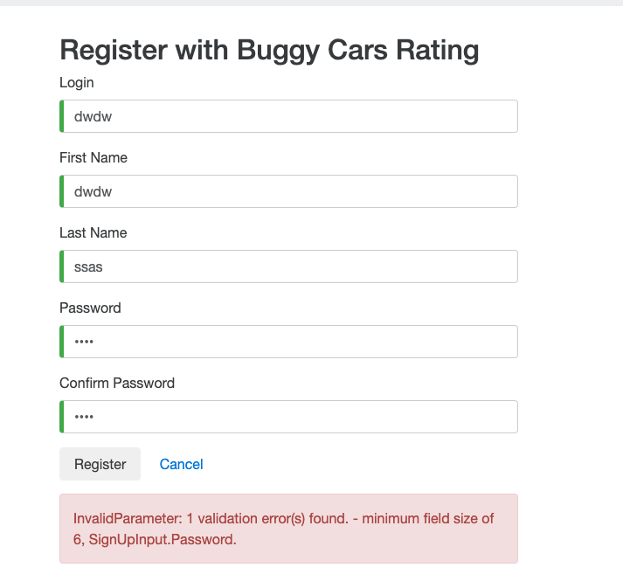
User Registration | 3 | User is on the registration page | Fills out the registration form without complying to password standard | It shows a password invalid exception | Failed | Device: Android Pixel 3 Version : Android 11 Browser : Chrome 112.0.5615.137
User Registration | 4 | User is on the registration page | updates the Gender dropdown with a text and tries to saves it | The value is saved on the profile which is wrong | Failed | Device: Android Pixel 3 Version : Android 11 Browser : Chrome 112.0.5615.137 |  |  | 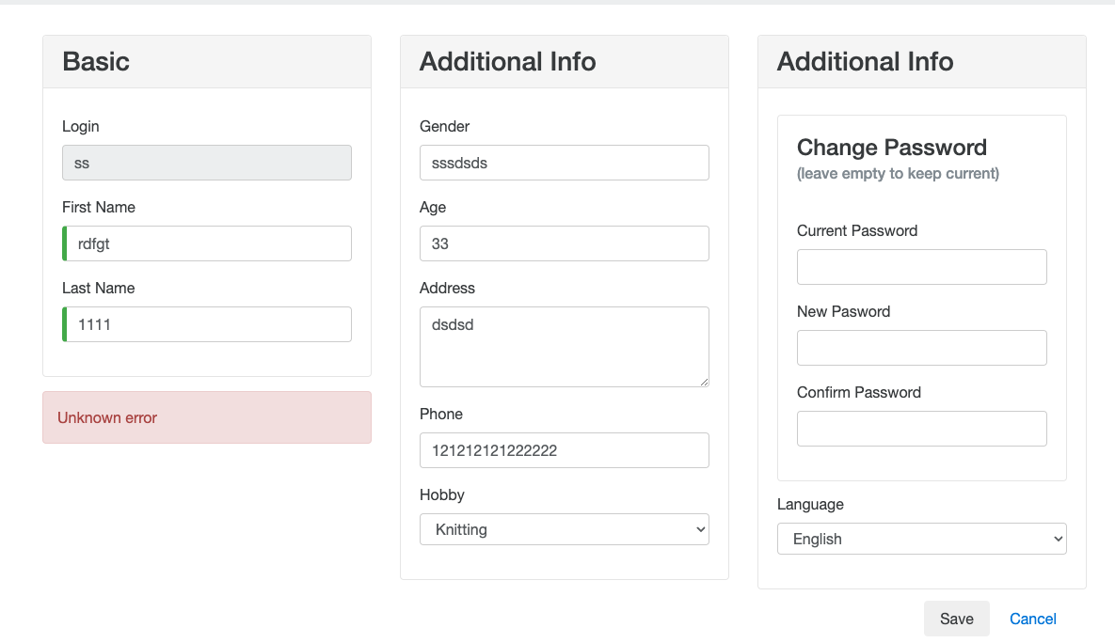
User Registration | 5 | User is on the registration page | updates the Hobby dropdown with Knitting option and tries to saves it | An unknown eroor is recieved and the profile is not saved | Failed | Device: Android Pixel 3 Version : Android 11 Browser : Chrome 112.0.5615.137
User Registration | 6 | User is on the Profile page | edits the first name and taps the save button | The First name does not get refereshed at the top | Failed | Device: Android Pixel 3 Version : Android 11 Browser : Chrome 112.0.5615.137 | MissingFieldsRegistration()
User Navigation | 7 | User is on the popular Make Page | tries to navigate back to the home page by taping the Buggy Ratting Icon | The user cannot navigate back becasue of a broken navigation link | Failed | Device: Android Pixel 3 Version : Android 11 Browser : Chrome 112.0.5615.137
User Login/Logout | 8 | User opens up two tabs | Logs out from One of the tabs and tries to navigate to the profile from the second tab | The application goes in an infinite page loading state | Failed | Device: Android Pixel 3 Version : Android 11 Browser : Chrome 112.0.5615.137
User Login/Logout | 9 | User opens up two tabs | Logs out from One of the tabs and tries to navigate to the profile from the second tab | The user is not logged out from the second tab | Failed | Device: Android Pixel 3 Version : Android 11 Browser : Chrome 112.0.5615.137
User Profile | 10 | User is on the Profile page | A refresh is done on the page | It takes the user back to the homepage | Failed | Device: Android Pixel 3 Version : Android 11 Browser : Chrome 112.0.5615.137

